Control Architecture
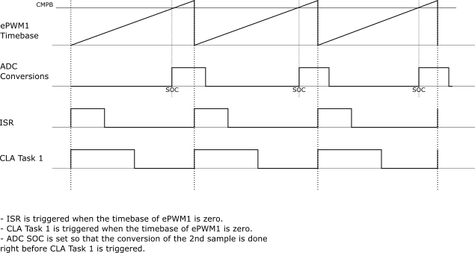

ISR Tasks | CLA Task 1 Tasks
Frequency Calculation (from Phase Sync) | Filtering of ADC signals
PLL Calculation | Control of High-Frequency Switches
 | Update of PWMs
 | Control of Low-Frequency Switches
 | RMS Calculation

